Sheet1
FTP info | FTP Username: qelsa@slotgame.store | Admin panel | https://www.poyrazhosting.com.tr/clientarea.php?action=productdetails&id=141473
 | FTP server: ftp.slotgame.store |  | nevenovs@gmail.com
 | FTP & explicit FTPS port: 21 |  | 2378488aA@@,

 | password: QelsaQelsa

 | home/slotgame
 | Show translation | slotgame.store | player
 |  |  | robin
 |  |  | robin
 |  |  | admin
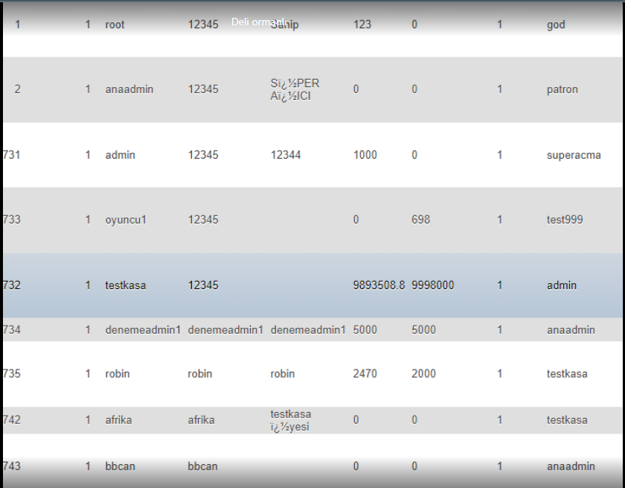
 | FTP Username: sportsman@slotgame.store
 | FTP server: ftp.slotgame.store
 | FTP & explicit FTPS port: 21
 | pass: angel1085!

